Week 1 - SoFP
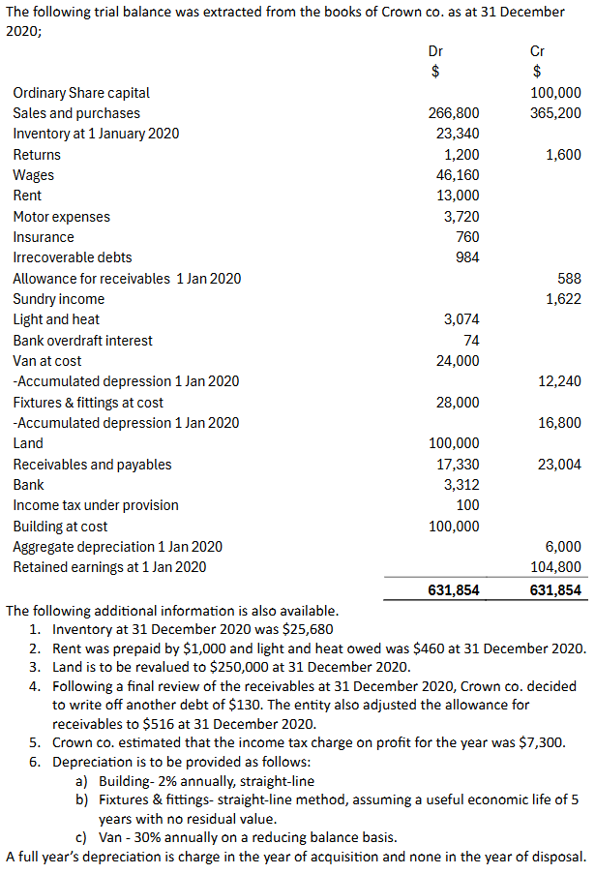
 |  | The Statement of Financial Position (SoFP) provides a snapshot of
 |  | a company's financial position at a given point in time. It shows:
 |  | - Assets: Resources owned by the company
 |  | - Liabiltiies: Obligations owed by the company
 |  | - Equity: The residual interest of ownerrs in the company

 |  | It adheres to the fundamental accounting equation:
 |  | Assets = Liabilities + Equity

 |  | The Statement of Financial Position is divided into:

 |  | 1. Assets:
 |  | - Non-current Assets (e.g., Land, Buildings, Vehicles)
 |  | - Current Assets (e.g., Inventory, Receivables, Cash)

 |  | 2. Equity:
 |  | - Share Capital
 |  | - Reserves
 |  | - Retained Earnings

 |  | 3. Liabilities:
 |  | - Current Liabilities (e.g., Payables, Accruals, Income Tax)
 |  | - Non-Current Liabiltiies (e.g., Long-term Debt)

 |  | Step 1: Non-Current Assets

 |  | Formula for Net Book Value (NBV): |  |  |  | Depreciation Working Out:
 |  | NBV = Cost - Accumulated Depreciation
 |  |  |  |  |  | Building:
 |  | Asset | Cost (£) | Acc. Depr. (£) | NBV (£) | Annual Depreciation:
 |  | Land | 250000 | - | 250000 | =100,000 * 2% = 2,000
 |  | Building | 100000 | 8000 | 92000
 |  | Fixtures and Fittings | 28000 | 22400 | 5600 | Accumulated Depreciaition (as at 31 Dec. 2020):
 |  | Van | 24000 | 15768 | 8232 | Closing + Opening = 6,000 + 2,000 = 8,000
 |  |  | 402000 | 46168 | 355832
 |  |  |  |  |  | Fixtures and Fittings:
 |  | Step 2: Current Assets |  |  |  | Annual Depreciation:
 |  |  |  |  |  | = 28,000 * 1/5 = 5,600
 |  | Current Assets are short-term resources expected to be used
 |  | or converted to cash within one year. |  |  |  | Accumulated Depreciation:
 |  |  |  |  |  | Closing + Opening + 16800 + 5600 = 22400
ASSETS |  | Current Asset | Calculation | Amount (£)
 |  | Inventory | Closing Inventory | 25680 |  | Van:
Non-Current Assets |  | Receivables | G.R. - Allwnce. | 16684 |  | Annual Depreciation:
Land | 250,000 | Prepayments | As Provided | 1000 |  | = 11,760 * 30% = 3,528
Building | 92,000 | Bank | As Provided | 3312
Fixtures & Fittings | 5,600 |  |  | 46676 |  | Accumulated Depreciation:
Van | 8,232 |  |  |  |  | Opening + Closing = 12,240 + 3,528 = 15768
Total Non-Current Assets | 355,832 | Step 3: Equity
 |  | Equity represents the owner's residual interest the company.
Current Assets
Inventory | 25,680 | Ordinary Share Capital: £100,000
Receivables | 17,200 | Revaluation Surplus: £150,000
 | -516 | Retained Earnings: £104,800 + £16,944 (Profit for Year)
Net Receivables | 16,684 | = £121,744
Prepayments | 1,000
Bank | 3,312 | Total Equity: £371,744
Total Current Assets | 46,676
Total Assets | 402,508
 |  | Step 4: Liabilities
Equity and Liabilities |  | Liabilities represent the company's obligations, split into both
 |  | current and non-current.
Equity
Ordinary Share Capital | 100,000 | Current Liabilities | Amount (£)
Revaluation Surplus | 150,000 | Payables | 23,004
Retained Earnings | 121,744 | Accruals | 460
Total Equity | 371,744 | Income Tax | 7,300
 |  |  | 30,764
Liabilities
Current Liabilities
Payables | 23,004 | Step 5: Balancing
Accruals | 460 | Verify that the formula stands true within your calculations.
Income Tax | 7,300 | Assets = Equity + Liabilities
Total Current Liabilities | 30,764
 |  | Equity and Liabilities: £371,744 + £30,764 |  | 402508
Total Liabilities | 30,764 | Assets: £355,832 + £46,676 |  | 402508
Total Equity and Liabilities | 402,508

Week 2 - Guide (Profit or Loss)
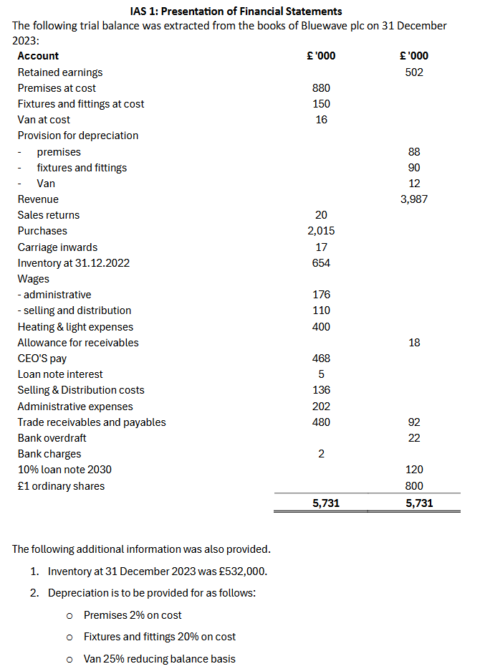
 |  | Step 1: Calculate Revenue

 |  | Revenue is the total income from goods sold or services provided.

 |  | Formula: Revenue = Gross Sales - Sales Returns and Allowances

 |  | Gross Sales = 3987
 |  | Sales Returns = 20

 |  | Revenue = 3967

 |  | Step 2: Calculate Cost of Sales

 |  | Cost of sales represents the direct costs of producing goods sold
 |  | during the period.

 |  | Formula: Cost of Sales = Opening Inventory + Purchases - Purchase Returns -
 |  | Closing Inventory + Carriage Inwards - Depreciation

 |  | Component | Calculation | Amount (£'000)
 |  | Opening Inventory | Given | 654
 |  | Purchases | Given | 2015
 |  | Less: Closing Inv. | Additional | 532
 |  | Carriage Inwards | Given | 17
 |  | Depreciation | From W2 | 15
 |  | Total |  | 2169

 |  | Cost of Sales = |  | 2169

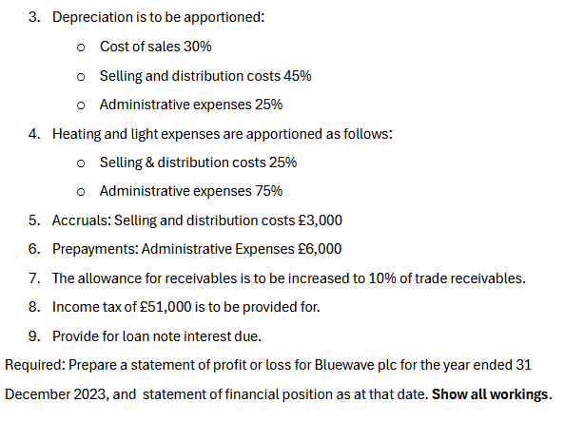
 |  | Step 3: Calculate Depreciation |  |  |  | Step 3a: Allocation of Depreciation

 |  | Premises: 2% Straight-Line |  |  | 18 | Cost of Sales (30%) | 15
 |  | Fixtures and Fittings: 20% Straight-Line |  |  | 30 | Selling & Dist (45%) | 22
 |  | Van: 25% Reducing Balance |  |  | 1 | Admin Expenses (25%) | 12
 |  |  |  |  | 48.6 |  | 49
 |  | Step 3: Calculate Gross Profit |  |  |  | Asset | Method | Calculation | Depreciation (£'000)
 |  |  |  |  |  | Premises | Straight-Line | 880×0.02 | 18
 |  | Gross Profit is the revenue remaining after deducting the cost of sales. |  |  |  | Fixtures & Fittings | Straight-Line | 150×0.20 | 30
 |  |  |  |  |  | Van | Reducing Balance | (16−12)×0.25 | 1
 |  | Formula: Gross Profit = Revenue - Cost of Sales |  |  |  | Total Depreciation |  |  | 49

 |  | Gross Profit = | 1798

 |  | Step 4: Add other income

Statement of Profit or Loss | £'000 | Add any incidental income to main operations, such as sundry
Revenue | 3,967 | income or gains.
Cost of Sales | -2,169
Gross Profit | 1,798 | Sundry Income = | There is none so we move on
Operating Expenses
Administrative | -1,184 | Gross Profit (Including Other Income) =
Selling & Distribution | -371
Finance Costs | -12
Profit Before Tax | 231 | Step 5: Subtract Operating Expenses
Income Tax | -51
Profit for the Year | 180 | Operating Expenses are Indirect Costs associated with running
 |  | the business.

 |  | Components Include:
 |  | - Wages | 202
 |  | - Admin Expense | 176
 |  | - Heating and Light | 300
 |  | - Increase in Allownc. | 30
 |  | - CEO Pay | 468
 |  | - Bank Charges | 2
 |  | - Depreciation | 12
 |  | - Prepayment Adj. | -6
 |  |  | 1184

 |  | Step 6: Finance Costs:

 |  | Finance Costs include interest expenses on borrowings, adjust accordingly.

 |  | Finance Costs = Loan Principal * Interest Rate - Interest Paid

 |  | 12

 |  | Step 7: Profit Before Tax |  |  | Step 8: Income Tax

 |  | Subtract all expenses from Gross Profit |  |  | Finally deduct income tax to show final profit value

 |  | Profit before Tax = 1798-1184-371-12 = 231 |  |  | Profit for the Year = 231 - 51 = 180

Week 3 - PPE (Reval; SoPL)
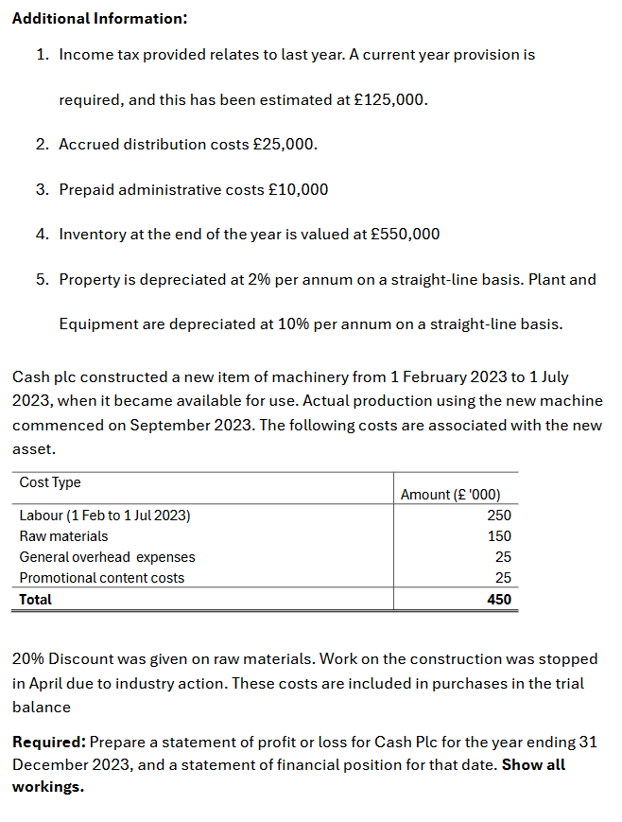
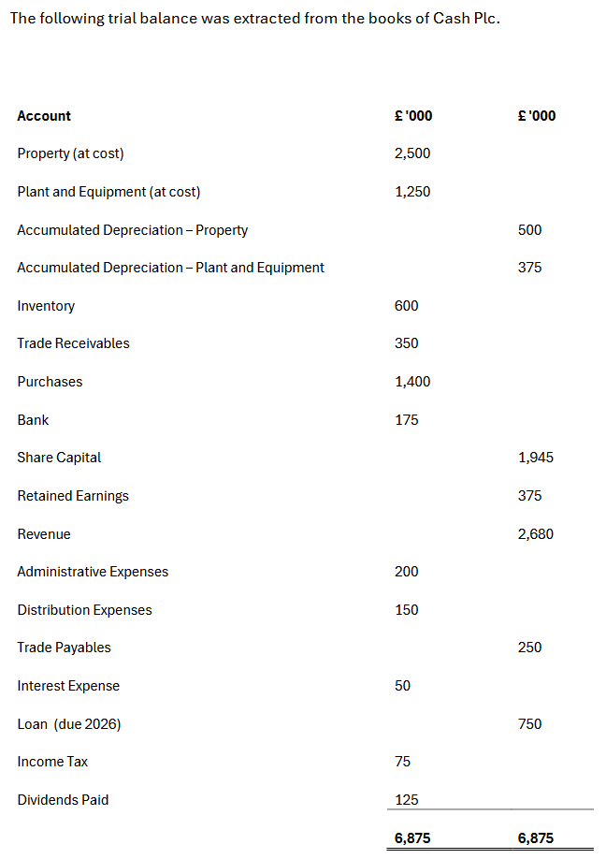
Statement of Profit or Loss | £ '000 | Step 1: Cost of Sales
Revenue | 2680 | Component | Calculation | Amount (£ '000)
Cost of Sales | 1130 | Opening Inventory | Given | 600
Gross Profit | 1550 | Purchases | Given | 1400
 |  | Less: Closing Inventory | Addit. Info | 550
Less: Expenses |  | Less: Purchases Capitalised | (Refer to W2) | 320
Administrative Expenses | 190 | Cost of Sales |  | 1130
Distribution Expenses | 175
Finance Costs | 50 | Step 2: Purchases Capitalised
Depreciation | 191 | Component | Calculation | Amount (£ '000) | Why?
Profit Before Tax | 944 | Labour | Total - Adjustments | 200
Income Tax | 200 | Raw Materials | Given | 150
Profit for the Year | 744 | Discount | Percentage Adjustment | -30
 |  | Total Capitalised Costs |  | 320

 |  | Step 3: Depreciation
 |  | Asset | Calculation | Amount (£ '000)
 |  | Property | Cost × Depreciation Rate | 50
 |  | Plant & Equipment | Cost × Depreciation Rate | 125
 |  | New Equipment | (Cost × Rate × Months/12) | 16
 |  | Total Depreciation |  | 191

 |  | Step 4: Income Tax
 |  | Component | Calculation | Amount (£ '000)
 |  | Brought Forward | Trial Balance | 75
 |  | Carried Forward | Addit. Info | 125
 |  | SOPL | Combine the both | 200
 |  | Total | = SOPL, they have to balance | 200

